Datos_2000_Estandarizados
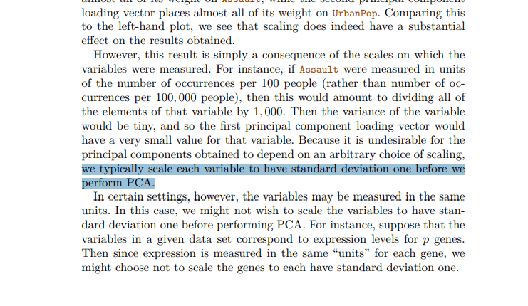
Unnamed: 0 | PIB_cr/% | PIB_ca/ppp21 | PIB_ca/% | Po_So/%T | Po_$6.85/%T | Go_Ed/%PIB | Ed_ob/Añ | Ma_Tr/%T | Ma_Tr_Mu/%T | Inv_I&D/Hab | I&D/%PIB | In_CO2/ppp21 | In_En/ppp17
AUS | -0.47556449447 | 0.30883128645 | -0.84642089575 | -0.43979844122 | -0.45593116699 | 0.009058041357 | 0.76426525663 | 2.9880260255 | 3.1603851742 | 0.60720072782 | 0.16706205923 | -0.30162249378 | 0.38632251734
BEL | -0.57835575976 | 0.54715793105 | -0.46350392393 | -0.82622196326 | -0.4745567284 | 0.64345724576 | 1.410951243 | 0.25878795674 | 0.17996771029 | 0.30913209812 | 0.56730253253 | -0.49705329974 | 0.1227713229
CAN | 0.13528540008 | 0.45415380186 | -0.095385320037 | -0.21513360283 | -0.4745567284 | 0.55370779166 | 0.11757927025 | 0.35842047723 | 0.46157035466 | 0.63149112296 | 0.48189616815 | -0.11924112049 | 1.5593837161
CHE | -0.45688479501 | 1.2819953909 | -0.51057925695 | -0.61953031194 | -0.49318228982 | -0.073429113592 | 0.76426525663 | -0.51895757418 | -0.79536330744 | 0.71282990544 | 0.92736724881 | -1.255864811 | -1.4533681733
CHN | 1.8174838826 | -1.4802118479 | 1.7358781683 | 2.5167908321 | 2.7327649472 | -1.9329017562 | -0.52910671613 | -1.8326477789 | -1.5111947416 | -1.1764698386 | -0.57889155786 | 2.4284249706 | 2.9236487226
CZE | -0.43081031251 | -0.37085258785 | -0.022237523918 | -0.7093962473 | -0.48573206525 | -0.9088354363 | -0.52910671613 | -0.87815632769 | -0.88397614182 | -0.68636996082 | -0.34063960381 | 1.5507851323 | 0.75839479185
DEU | -0.99969371793 | 0.52540255934 | -0.84690451075 | -0.7093962473 | -0.50435762667 | -0.55790938358 | 2.0576372294 | 0.46072052366 | 0.1495226622 | 0.41411488746 | 1.0877624298 | -0.60875613134 | -0.66271458994
DNK | -0.57468985826 | 0.85041876896 | -0.50965700367 | -1.0688599887 | -0.50435762667 | 2.7364904279 | -0.52910671613 | 0.35185433521 | 0.47119901239 | 0.70847692162 | 0.84202677681 | -0.90649970403 | -1.1743139674
ESP | 0.16645538367 | 0.087855884297 | 0.20362920204 | -0.19716041576 | -0.42240515644 | -0.47760596409 | 0.11757927025 | 0.35362306368 | 0.31934872705 | -0.3677031458 | -0.59032008884 | -0.55497093845 | -0.85391839767
EST | 2.619315466 | -0.74973458801 | 2.7466381092 | 0.15331673214 | 0.11773612458 | 0.48491914702 | -0.52910671613 | 0.18139624545 | 0.395488893 | -0.35029829154 | -0.90104430721 | 2.1883779185 | 1.3888505903
FIN | 0.4440634224 | 0.3929608691 | 0.62689863698 | -0.88912811801 | -0.50435762667 | 0.78829174937 | -0.52910671613 | 1.3932483291 | 1.3120128829 | 3.284641475 | 2.001561522 | -0.63481842189 | 0.68087973466
FRA | -0.3653954186 | 0.34849297958 | -0.48289248287 | -0.34993250586 | -0.49318228982 | 0.69881491995 | 0.11757927025 | 0.018067850281 | 0.035799702237 | 0.26052596512 | 0.74011521983 | -0.91844258987 | -0.47667845269
GRC | -0.36698794618 | -0.28541098312 | -0.33319358429 | 0.02750442264 | -0.41122981959 | -1.2452734623 | -0.52910671613 | 0.10704880058 | -0.01155149036 | -0.70033573424 | -0.94557164755 | -0.039239324642 | -0.84358305672
HUN | -0.19565009046 | -0.68855261373 | 0.21398416539 | -0.24209338343 | -0.29947645111 | 0.098518051748 | 2.0576372294 | -0.53134359387 | -0.46570202377 | -0.64986519741 | -0.69119885135 | 0.42390622307 | -0.016755780039
IDN | 0.025631102734 | -1.3900565855 | -0.48332818394 | 2.9122009476 | 3.0829255018 | -1.8770205409 | -0.52910671613 | -1.5159046796 | -1.4725141077 | -1.3840264246 | -1.4859984623 | 0.74390714929 | 0.12793899338
IND | -0.51597463709 | -1.6211740853 | -1.284545253 | 2.7594288575 | 3.0158734807 | -0.3473946261 | -1.1757927025 | -1.7426168716 | -1.7090138502 | -1.4444966886 | -0.72852839766 | 2.1905153941 | 0.90825723574
IRL | 2.2759495569 | 0.68961103589 | 1.9025313965 | -0.40385206708 | -0.49318228982 | -0.50532332849 | 0.11757927025 | -0.031517396047 | -0.011922976204 | -0.13469410805 | -0.36936475657 | -0.70431491969 | -1.1019665807
ITA | -0.49534203434 | 0.54172510805 | -0.26872801585 | -0.017428545039 | -0.38142892133 | -0.37504627895 | -1.1757927025 | 0.0038724266125 | 0.078577608518 | -0.80697288105 | -0.45748528489 | -0.77918227315 | -1.2053199903
JPN | -1.056208648 | 0.04722530867 | -0.92338835986 | 0.054464203247 | -0.42985538101 | -1.0566664646 | -0.52910671613 | 0.54412023685 | 0.057051391356 | 1.6035402889 | 1.580716642 | -0.57595783259 | -0.28547464496
KOR | 2.1039473448 | -0.55908390887 | 2.0068228972 | -0.19716041576 | -0.43730560557 | -0.68470078767 | -2.4691646753 | 1.0536865783 | 0.0080447001299 | -0.092935725475 | 0.77498316787 | 0.25726693689 | 1.0219459863
LTU | -0.72796985968 | -0.96638612688 | -0.10346660244 | 0.38696816407 | 0.29281640187 | 1.0046235432 | 0.11757927025 | 0.030697266957 | 0.266173519 | -0.15947346849 | -0.91694539888 | 0.043823751891 | 0.46900524501
LUX | 1.038528838 | 3.2972354536 | 0.61424737968 | -0.57459734426 | -0.51180785123 | -0.40902540601 | 0.76426525663 | -1.7292741164 | -1.5967853853 | 0.80839996356 | 0.17932577299 | -0.85910862289 | -1.0502898759
LVA | 0.48787666864 | -1.019466418 | 1.3287982683 | 0.063450796783 | 0.20713881937 | 0.43144520378 | 0.76426525663 | 0.26059244029 | 0.65726748743 | -0.53446073866 | -1.0825492227 | -0.074413655865 | -0.021923450518
MEX | 0.080448477752 | -0.76146111979 | -0.4867320349 | 1.3575202659 | 1.3470231779 | -0.77073304137 | -0.52910671613 | -1.2751071995 | -1.2782822069 | -1.3733820561 | -1.2394498145 | -0.25916605082 | -1.0037808416
NLD | -0.32586766086 | 0.78870672511 | -0.45717976912 | -0.65547668608 | -0.48200695297 | -0.1338508793 | 2.0576372294 | 0.054291028777 | -0.086902613161 | 0.098702747765 | 0.40642396604 | -0.69506322929 | -0.58003186227
NOR | -0.77799758705 | 1.7293831074 | -0.89301012789 | -1.0508868017 | -0.49318228982 | 1.403534865 | 0.11757927025 | 0.84676568537 | 1.0349324577 | 1.157053545 | 0.15411702076 | -1.0996864643 | -0.48184612317
POL | -0.10674180634 | -0.84450010593 | 0.74316726437 | 0.45886091236 | 0.091660338597 | 0.19328505169 | -0.52910671613 | 0.0094923710607 | 0.15981200133 | -0.6315594842 | -0.85623132399 | 1.7791978356 | 0.36048416494
PRT | -0.52842897459 | -0.12478817645 | -0.66189312344 | -0.071348106254 | -0.36280335992 | 0.34086966169 | -0.52910671613 | 0.50198533275 | 0.45078963287 | -0.51442113659 | -0.76746235166 | -0.51847797508 | -1.0141161825
SVK | -2.0477044131 | -0.85456080419 | -1.8020241034 | -0.2331067899 | -0.20262353175 | -0.72481377455 | 0.11757927025 | -0.9232008426 | -0.9121156741 | -0.38210347224 | -0.8592093195 | 1.0487578349 | 1.7144138305
SVN | -0.68816929999 | -0.34312938495 | -0.60766924928 | -0.84419515033 | -0.49318228982 | 1.133779585 | -0.52910671613 | 0.22304501164 | 0.35086368767 | -0.17864016315 | -0.066080025008 | -0.11506488128 | -0.027091120997
SWE | -0.11939838932 | 0.4336455717 | 0.062351342047 | -0.91608789862 | -0.49318228982 | 1.63387769 | -0.52910671613 | 0.75078362756 | 0.93960727517 | 1.6496878805 | 2.6965263489 | -1.0397415644 | 0.10726831146
TUR | 1.0360741956 | -1.0114779479 | 0.64569307395 | 0.42291453822 | -0.12812128609 | -1.1711465369 | -1.1757927025 | -1.081091677 | -1.2303027356 | -1.2952497232 | -1.0487581503 | 0.12395448914 | -1.0347868644
USA | -0.39722403561 | 0.74604550244 | -0.74790057863 | 0.117370358 | -0.45593116699 | 1.0970038059 | 1.410951243 | 1.3092924439 | 1.477212374 | 0.61766070944 | 1.3185416888 | -0.22223133172 | 0.75839479185

Scores_PCA_2000
Unnamed: 0 | PC1 | PC2 | VALIDACIÓN
AUS | -2.8351307176 | 0.83456387032 | -0.063420878803 | -0.094807732509 | -0.091239625282 | -0.16005763529 | -0.15750761273 | -0.0025014027085 | -0.12380995825 | -0.91425788668 | -0.93622245419 | -0.20430948398 | -0.050339688247 | -0.09995525215 | 0.063298893208
BEL | -1.7180169789 | -0.63824729039 | -2.8351307176 | AUS PC1
CAN | -0.93395405429 | 0.89622473084
CHE | -1.7881056005 | -1.5678827312
CHN | 6.2259152 | 2.0059098725
CZE | 1.4670442503 | -0.14892030442 | z = país
DEU | -1.9602733757 | -1.5006308461
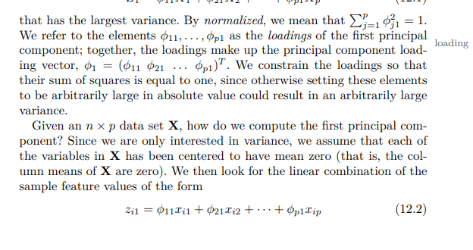
DNK | -2.8580253811 | -0.32258386028
ESP | -0.31268525315 | -0.17678467024
EST | 2.0933021941 | 4.0239630015
FIN | -3.2457351903 | 2.3976920084
FRA | -1.4267984034 | -0.58925209167
GRC | 0.6403187486 | -0.81001793405
HUN | 0.52145618922 | -0.73360297602
IDN | 5.1879838474 | -1.5516647989
IND | 5.2427090308 | -1.4801834733
IRL | -0.14412083853 | 1.6628641257
ITA | -0.17618442178 | -0.89166596992
JPN | -1.4429434013 | -0.63881267249
KOR | 0.76046319321 | 3.6178775041
LTU | 0.46702876616 | -0.25033485852
LUX | -0.98498306177 | -0.70544097418
LVA | 0.57629880741 | 0.93641653211
MEX | 2.8040277013 | -1.6763438502
NLD | -1.5082210441 | -1.1915803517
NOR | -3.1351962496 | -0.56513954644
POL | 1.6250638178 | 0.83588382344 | the principal component directions φ1, φ2, φ3,... are given by the ordered sequence of eigenvectors of the matrix XT X, and the variances of the components are the eigenvalues.
PRT | -0.48400123395 | -0.8290890303
SVK | 1.389891938 | -1.9950114331
SVN | -0.89166516964 | -0.29600752048
SWE | -3.2142451118 | 1.1607461813
TUR | 2.4604409558 | -0.062424737728
USA | -2.4016591527 | 0.24948027143

